5.21
Case Contact Name | Location | CaseNumber | Member | Description | Resolution Notes
姓名：刘靖 日期：2025.05.28-2025.05.29 渠道：飞猪 | 1001 | 693622574 | Platinum Elite | 客人自称吃到菠萝有白色菌丝 The guest claimed to have found white mycelium on the pineapple. | 5月28日16：00左右客人反馈给酒廊员工Lumi表示发现吃的菠萝切块有白色菌丝，Lydia第一时间致歉并联系卫生专员王菊和西餐厅benson查看，经过benson查看后发现是在处理菠萝的洞时没有处理好，不是坏的。Lydia再次跟客人解释，并表示赠送水果到房间，客人接受。大概1900左右发现客人发布小红书表示身体不舒服，目前lydia再次进行短信致歉，客人暂时未回复。GSM 团队持续跟进。 On May 28th, around 16:00, a guest reported to lounge staff member Lumi that they found white mold on the pineapple chunks they were eating. Lydia immediately apologized and contacted health supervisor Wang Ju and Western restaurant staff member Benson to check the issue. After Benson's inspection, it was found that the mold occurred due to improper handling of the pineapple core, and it was not spoiled. Lydia explained this again to the guest and offered to send fruits to their room, which the guest accepted. Around 19:00, it was discovered that the guest posted on Xiaohongshu stating they were feeling unwell. Lydia sent another text message to apologize, but the guest has not responded yet.The GSM team is continuously following up. 更新：5.29日11:00政府监测到舆论评论增多，对三亚市旅游市场有不良影响，市场监督管理局为此事来酒店调查，限期今天16:00前酒店要处理好此事件.14:00左右刘先生告知方便我们去房间，ELM lydia,AFOM Max以及西餐厨师长Dalton一起前去客人房间，得知刘先生一直拉肚子，厨师长Dalton为客人准备了可以缓解症状的荔枝，Lydia和max关怀客人身体状况，表示可以准备白粥等清淡的食物，客人表示不需要，我们为客人准备了狮鹫和logo包包再次向客人表示歉意，另外感谢客人的反馈，我们会加强培训和注意水果出品的状态，客人表示感谢。15:43左右 客人退房去AK，GSM Lyla和ELM Lydia送客人去AK，并介绍了AK的早餐以及泳池位置，考虑到客人身体健康问题，GSM和ELM邀请晚上使用清淡点的中餐，客人考虑好会回复我们，目前客人已把小红书删掉. Update: At 11:00 on May 29th, the government detected an increase in public opinion comments, which had a negative impact on the tourism market in Sanya City. The Market Supervision and Administration Bureau came to the hotel to investigate this matter and set a deadline for the hotel to handle this incident by 16:00 today. Around 14:00, Mr. Liu informed us that it would be convenient for us to go to the room. ELM lydia,AFOM Max and the chef of Western cuisine, Dalton, went to the guest's room together and learned that Mr. Liu had been having diarrhea. Chef Dalton prepared lychees that could relieve the symptoms for the guest. Lydia and max cared about the gues | 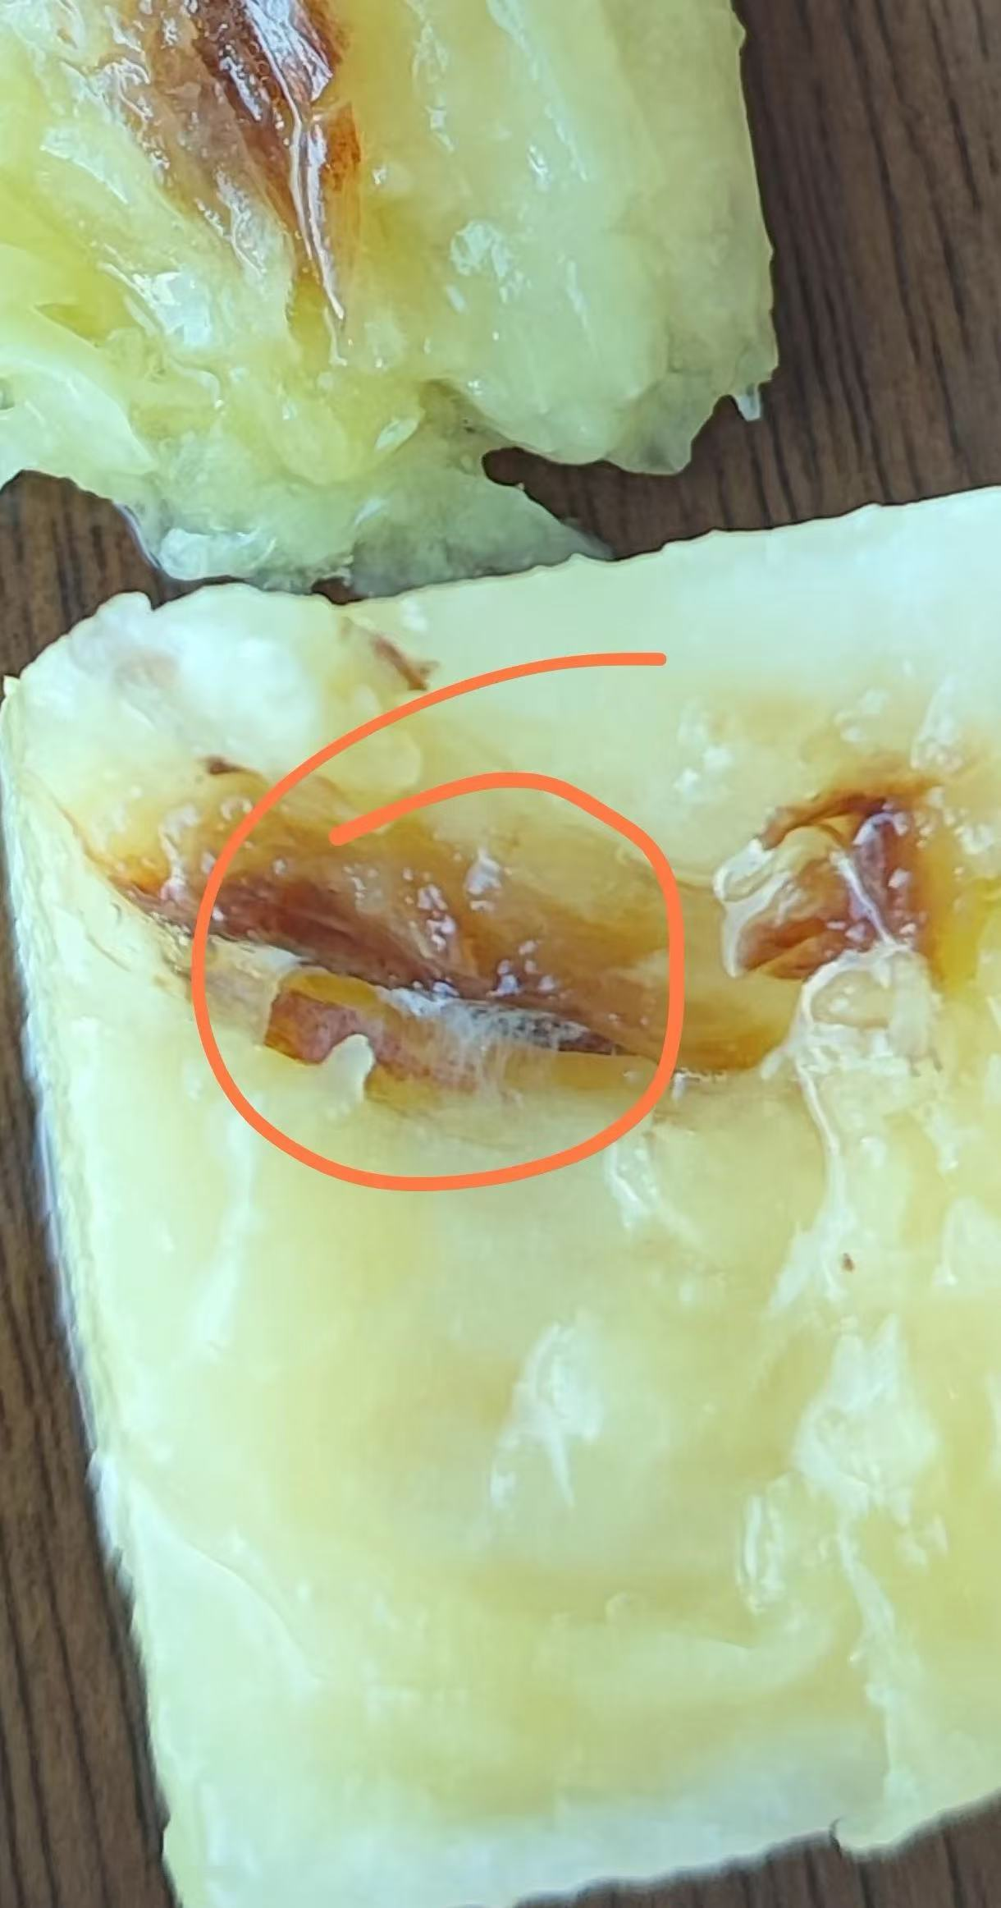

姓名：谢韩铭 日期：2025.5.29-2025.5.31 渠道：抖音/无会员 | 1225 | 694030639 | NIL | 客人到前台投诉房间霉味及空调问题 The guest went to the front desk to complain about a musty smell in the room and air conditioner issues. | 00:25客人到前台告知房间有霉味，且空调总是自动关闭，NM向客人致歉，提出帮助客人换房，客人称孩子已经休息了，明天在更换，同时告知客人空调温度调低就不会自动关闭，或可以让同事帮忙查看，客人同意，但客人觉得住酒店遇上这样的事情，很不开心，要求退还今晚房费，NM婉拒客人的请求，称给客人减免200元升级费及送机，客人不接受并称酒店将信息泄露给其他人，NM查看后告知客人是酒店管家，是经过客人同意后加的微信，客人便离开前台回房间，随后工程同事到检查空调，客人不允许进入房间，便给管家发微信称自己没有同意让其帮忙查看空调，觉得酒店流程特别乱，想更换酒店入住，管家联系客人致歉，客人没有理会管家。GSM团队会持续更近. At 00:25, the guest went to the front desk to inform that there was a musty smell in the room and the air conditioner always turned off automatically. NM apologized to the guest and offered to help change the room. The guest said the child had already rested and would change it tomorrow. Meanwhile, NM told the guest that the air conditioner would not turn off automatically if the temperature was set lower, or colleagues could be asked to check it. The guest agreed but was unhappy about encountering such issues in the hotel and requested a refund for tonight's room fee. NM politely declined the request, offering to waive the 200 yuan upgrade fee and provide airport transfer service. The guest refused and claimed the hotel had leaked information to others. NM checked and informed the guest that it was the hotel butler who added the WeChat with the guest's consent, after which the guest left the front desk and returned to the room. Later, an engineering colleague went to check the air conditioner, but the guest refused entry and sent a WeChat to the butler stating they had not agreed to the inspection, feeling the hotel's procedures were very chaotic and wanting to change hotels. The butler contacted the guest to apologize, but the guest ignored the butler. The GSM team will continue to follow up. Update 30号客人反馈想换酒店去傲图格住，AFOM联系傲图格FOM，帮客人预定了房间，并帮客人安排了房间升级以及赠送早餐，客人满意. On the 30th, the guest reported that they wanted to change hotels and stay at AK. AFOM contacted Aotuge FOM, helped the guest reserve a room, arranged for the guest to upgrade the room and gave breakfast as a gift. The guest was satisfied.

